
 | Brush Head Lift B |  | SN from 02l000
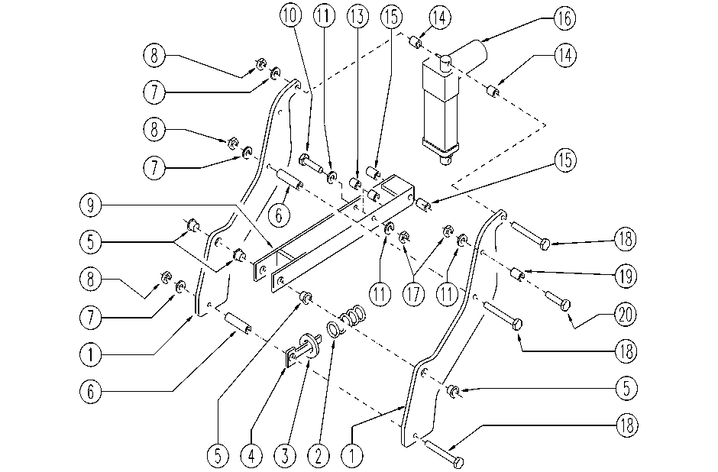

ITEM | SKU | DESCRIPTION | QTY
1 | SL39066 | LEVER | 2
2 | E89165 | SPRING | 1
3 | SL06029 | WASHER | 1
4 | SL39067 | SPRING GUIDE | 1
5 | E87912 | Bushing | 4
6 | E87913 | Spacer | 2
7 | E86879 | Washer | 3
8 | E86853 | Nyloc Hex Nut, M8 Zinc | 3
9 | SL39074 | LEVER | 1
10 | E87908 | Screw | 1
11 | E86427 | Washer | 3
13 | E87909 | Spacer | 2
14 | SL07527 | SPACER | 2
15 | E87774 | Bushing | 2
16 | E86996 | Actuator | 1
17 | E86875 | Self-Locking Nut | 2
18 | E87914 | Screw | 3
19 | E86683 | Wheel Bushing | 1
20 | E86465 | Screw | 1

